Hang Lung Aug Report
Advertiser : | Hang Lung
Campaign : | Hang lung LMS Campaign- monthly report
Platform : | OpenRice app

Aug 1-31 Report
LMS | LMS Monthly PV | No. of Search Landmark | LMS Monthly UU | LMS Restaurants Total Impressions | LMS Restaurants Total clicks by LMS | Restaurants/ Retails | Restaurants Total Bookmark (New) | No. of Restaurants have Booking services | No. of Booking | No. of Restaurants have Voucher services | No. of Restaurants has Takeaway services | Retail Shops Video Views (cumulative) | Official Account | Banner View IMP | Banner Clicks | What's New (消息) Banner | Banner Clicks | FeatureItemId | ClickId
Amoy Plaza | 61615 | 17119 | 15620 | 140380 | 9125 | Amoy Plaza | 1011 | 5 | 622 | 18 | 20 | 1,325 | Hang Lung 建行(亞洲)信用卡 | 8,919,004 | 5,403 | Hang Lung- 建行(亞洲)信用卡 | 0 | 42512 | 7364346620 | 199
Fashion Walk | 44754 | 24434 | 24813 | 126706 | 13773 | Fashion Walk | 5353 | 12 | 4082 | 4 | 5 | 1,740 | Hang Lung FUN食買 同樂 | 9,940,743 | 6,098 | Hang Lung- FUN食買 同樂 | 0 | 42674 | 7379269363 | 203
 |  |  |  |  |  |  |  |  |  |  |  |  | Fashion Walk- Flat Iron Steak | 6,041,009 | 5,436 | Fashion Walk- Flat Iron Steak | 2 | 42613 | 7371461683 | 201
Amoy Plaza | Top 5 Search Restaurant | Top Booking Restaurant | Top 5 Tenant Viewed |  |  |  |  |  |  |  |  |  | Amoy Plaza- 睇show玩樂證 | 6,955,653 | 4,148 | Amoy Plaza- 睇show玩樂證 | 0 | 41971 | 7289878736 | 182
 | 千海水產海鮮火鍋放題 | SuperNormal | bauhaus
 | SuperNormal | 牛気 | 伊莎洗衣 |  |  |  |  |  |  |  |  |  |  |  |  | Fashion Walk |  |  |  | Amoy Plaza
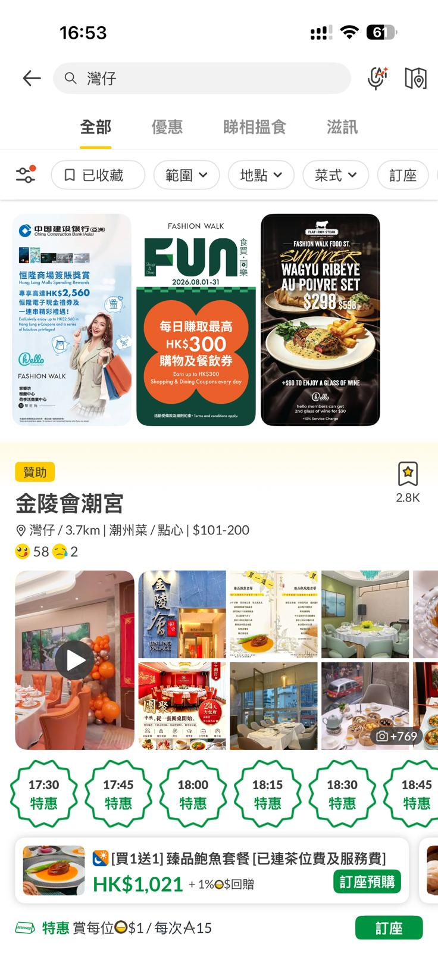
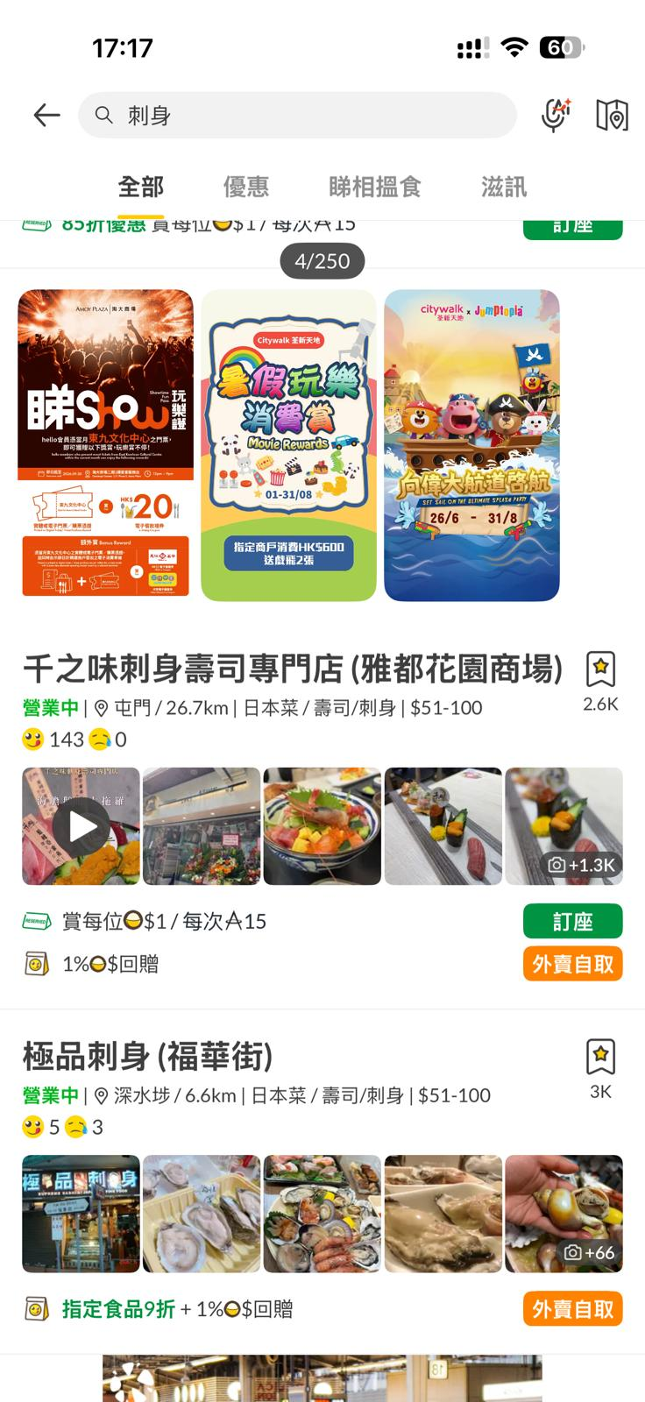
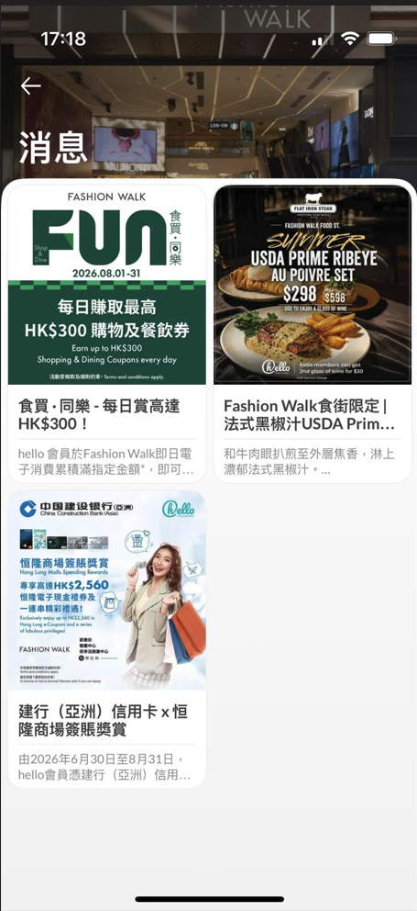

 | 泰Cool | 阿城鵝肉 | 24/7 FITNESS
 | 金牌 |  | Point Eight Just Cut
 | 牛気 |  | 雅仕眼鏡

Fashion Walk | Top 5 Search Restaurant | Top Booking Restaurant | Top 5 Tenant Viewed
 | Casa Cucina | Calle Ocho | Base8 hair & nail
 | Calle Ocho | Casa Cucina | Le Labo
 | Mercury Recalls by Lost Stars | Flat Iron Steak | Hot Toys Echo Base
 | Flat Iron Steak | 교자상 | 四洲食品體驗館
 | 교자상 | 鮨政 | Vivienne Westwood

